IF AND NESTED IF
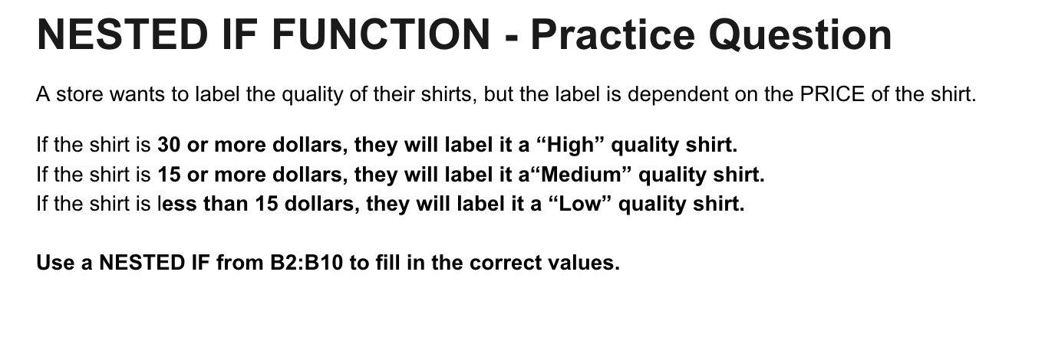
Price | Label
12.99
5.99
31.79
69.99
16.99
14.5
23.99
15.99
10.29

